dashboard
SUPPLY CHAIN ANALYSIS DASHBOARD

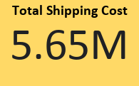
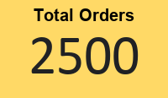
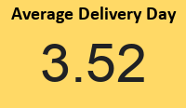
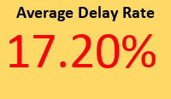
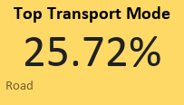

Total Orders Processed : 2,500 82.8% Orders Delivered On Time Supplier H recorded the highest delay rate (22.69%) Hyderabad had the lowest total shipping cost

Orders by Product Category
Order Volume by Warehouse
Average Delay by Warehouse

% Delay from Suppliers
Total Shipping Cost (₹) by Warehouse

